noccp
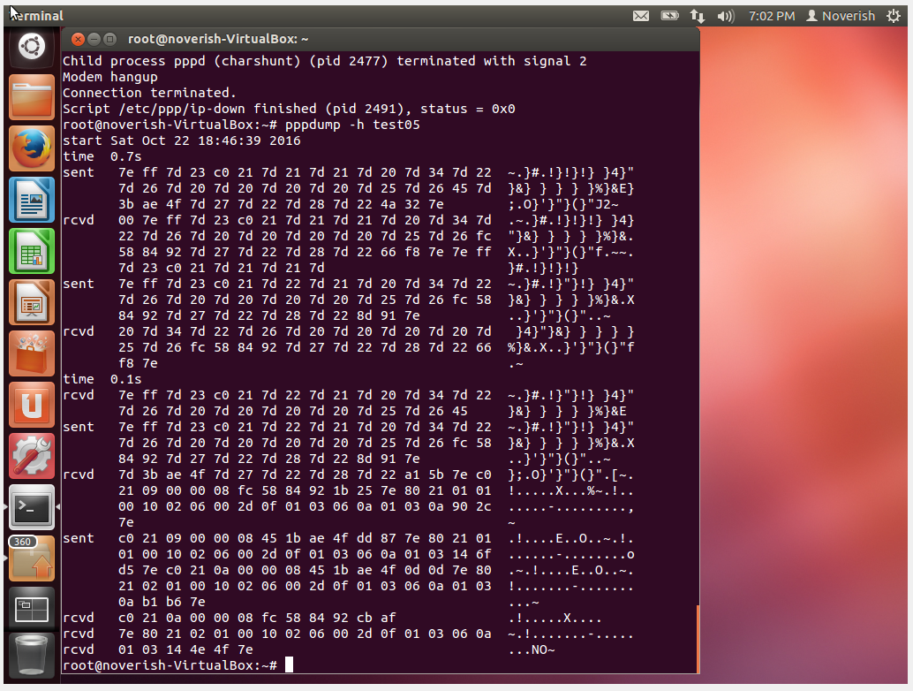
PPP Dump File Analysis (noccp)
noccp, noaccomp, ping 별로 밑에 시트로 분류해 놓았습니다. (총 시트 3개)

1 | sent | 7e | ff | 7d | 23 | c0 | 21 | 7d | 21 | 7d | 21 | 7d | 20 | 7d | 34 | 7d | 22 | 7d | 26 | 7d | 20 | 7d | 20 | 7d | 20 | 7d | 20 | 7d | 25 | 7d | 26 | 45 |  | 7d | 3b | ae | 4f | 7d | 27 | 7d | 22 | 7d | 28 | 7d | 22 | 4a | 32 | 7e
 |  | 7e | ff | 3 |  | c0 | 21 | 1 |  | 1 |  | 0 |  | 14 |  | 2 |  | 6 |  | 0 |  | 0 |  | 0 |  | 0 |  | 5 |  | 6 |  | 45 |  | 1b |  | ae | 4f | 7 |  | 2 |  | 8 |  | 2 |  | 4a | 32 | 7e
 |  | Flag | 주소 | Control |  | Protocol |  | LCP Packet |  |  |  |  |  |  |  |  |  |  |  |  |  |  |  |  |  |  |  |  |  |  |  |  |  |  |  |  |  |  |  |  |  |  |  |  |  | CRC |  | Flag
 |  |  |  |  |  |  |  | Code |  | ID |  | 길이 |  |  |  | LCP Options
 |  |  |  |  |  |  |  |  |  |  |  |  |  |  |  | Type |  | 길이 |  | Option Data |  |  |  |  |  |  |  | Type |  | 길이 |  | Magic-Number |  |  |  |  |  | Type |  | 길이 |  | Type |  | 길이
 |  |  |  |  |  |  |  |  |  |  |  |  |  |  |  | Type : Asynchronous Control Character Map (ACCM) |  |  |  |  |  |  |  |  |  |  |  | Type : Magic Number |  |  |  |  |  |  |  |  |  | Type : Protocol-Field-Compression (Deprecated).
 |  |  |  |  |  | LCP |  | Configure-Request |  |  |  |  |  |  |  | Data : The ACCM bit map is set to 0x00-00-00-00 for links with XON/XOFF software flow control. |  |  |  |  |  |  |  |  |  |  |  |  |  |  |  |  |  |  |  |  |  |  |  |  |  | Type : Address-and-Control-Field-Compression.

2 | rcvd | 7e | ff | 7d | 23 | c0 | 21 | 7d | 21 | 7d | 21 | 7d | 20 | 7d | 34 | 7d | 22 | 7d | 26 | 7d | 20 | 7d | 20 | 7d | 20 | 7d | 20 | 7d | 25 | 7d | 26 | fc |  | 58 |  | 84 | 92 | 7d | 27 | 7d | 22 | 7d | 28 | 7d | 22 | 66 | f8 | 7e
 |  | 7e | ff | 3 |  | c0 | 21 | 1 |  | 1 |  | 0 |  | 14 |  | 2 |  | 6 |  | 0 |  | 0 |  | 0 |  | 0 |  | 5 |  | 6 |  | fc |  | 58 |  | 84 | 92 | 7 |  | 2 |  | 8 |  | 2 |  | 66 | f8 | 7e
 |  | Flag | 주소 | Control |  | Protocol |  | LCP Packet |  |  |  |  |  |  |  |  |  |  |  |  |  |  |  |  |  |  |  |  |  |  |  |  |  |  |  |  |  |  |  |  |  |  |  |  |  | CRC |  | Flag
 |  |  |  |  |  |  |  | Code |  | ID |  | 길이 |  |  |  | LCP Options
 |  |  |  |  |  |  |  |  |  |  |  |  |  |  |  | Type |  | 길이 |  | Option Data |  |  |  |  |  |  |  | Type |  | 길이 |  | Magic-Number |  |  |  |  |  | Type |  | 길이 |  | Type |  | 길이
 |  |  |  |  |  |  |  |  |  |  |  |  |  |  |  | Type : Asynchronous Control Character Map (ACCM) |  |  |  |  |  |  |  |  |  |  |  | Type : Magic Number |  |  |  |  |  |  |  |  |  | Type : Protocol-Field-Compression (Deprecated).
 |  |  |  |  |  | LCP |  | Configure-Request |  |  |  |  |  |  |  | Data : The ACCM bit map is set to 0x00-00-00-00 for links with XON/XOFF software flow control. |  |  |  |  |  |  |  |  |  |  |  |  |  |  |  |  |  |  |  |  |  |  |  |  |  | Type : Address-and-Control-Field-Compression.

3 | sent | 7e | ff | 7d | 23 | c0 | 21 | 7d | 22 | 7d | 21 | 7d | 20 | 7d | 34 | 7d | 22 | 7d | 26 | 7d | 20 | 7d | 20 | 7d | 20 | 7d | 20 | 7d | 25 | 7d | 26 | fc |  | 58 |  | 84 | 92 | 7d | 27 | 7d | 22 | 7d | 28 | 7d | 22 | 8d | 91 | 7e
 |  | 7e | ff | 3 |  | c0 | 21 | 2 |  | 1 |  | 0 |  | 14 |  | 2 |  | 6 |  | 0 |  | 0 |  | 0 |  | 0 |  | 5 |  | 6 |  | fc |  | 58 |  | 84 | 92 | 7 |  | 2 |  | 8 |  | 2 |  | 8d | 91 | 7e
 |  | Flag | 주소 | Control |  | Protocol |  | LCP Packet |  |  |  |  |  |  |  |  |  |  |  |  |  |  |  |  |  |  |  |  |  |  |  |  |  |  |  |  |  |  |  |  |  |  |  |  |  | CRC |  | Flag
 |  |  |  |  |  |  |  | Code |  | ID |  | 길이 |  |  |  | LCP Options
 |  |  |  |  |  |  |  |  |  |  |  |  |  |  |  | Type |  | 길이 |  | Option Data |  |  |  |  |  |  |  | Type |  | 길이 |  | Magic-Number |  |  |  |  |  | Type |  | 길이 |  | Type |  | 길이
 |  |  |  |  |  |  |  |  |  |  |  |  |  |  |  | Type : Asynchronous Control Character Map (ACCM) |  |  |  |  |  |  |  |  |  |  |  | Type : Magic Number |  |  |  |  |  |  |  |  |  | Type : Protocol-Field-Compression (Deprecated).
 |  |  |  |  |  | LCP |  | Configure-Ack |  |  |  |  |  |  |  | Data : The ACCM bit map is set to 0x00-00-00-00 for links with XON/XOFF software flow control. |  |  |  |  |  |  |  |  |  |  |  |  |  |  |  |  |  |  |  |  |  |  |  |  |  | Type : Address-and-Control-Field-Compression.

4 | rcvd | rcvd 2와 동일

5 | rcvd | 7e | ff | 7d | 23 | c0 | 21 | 7d | 22 | 7d | 21 | 7d | 20 | 7d | 34 | 7d | 22 | 7d | 26 | 7d | 20 | 7d | 20 | 7d | 20 | 7d | 20 | 7d | 25 | 7d | 26 | 45 |  | 7d | 3b | ae | 4f | 7d | 27 | 7d | 22 | 7d | 28 | 7d | 22 | a1 | 5b | 7e
 |  | 7e | ff | 3 |  | c0 | 21 | 2 |  | 1 |  | 0 |  | 14 |  | 2 |  | 6 |  | 0 |  | 0 |  | 0 |  | 0 |  | 5 |  | 6 |  | 45 |  | 1b |  | ae | 4f | 7 |  | 2 |  | 8 |  | 2 |  | a1 | 5b | 7e
 |  | Flag | 주소 | Control |  | Protocol |  | LCP Packet |  |  |  |  |  |  |  |  |  |  |  |  |  |  |  |  |  |  |  |  |  |  |  |  |  |  |  |  |  |  |  |  |  |  |  |  |  | CRC |  | Flag
 |  |  |  |  |  |  |  | Code |  | ID |  | 길이 |  |  |  | LCP Options
 |  |  |  |  |  |  |  |  |  |  |  |  |  |  |  | Type |  | 길이 |  | Option Data |  |  |  |  |  |  |  | Type |  | 길이 |  | Magic-Number |  |  |  |  |  | Type |  | 길이 |  | Type |  | 길이
 |  |  |  |  |  |  |  |  |  |  |  |  |  |  |  | Type : Asynchronous Control Character Map (ACCM) |  |  |  |  |  |  |  |  |  |  |  | Type : Magic Number |  |  |  |  |  |  |  |  |  | Type : Protocol-Field-Compression (Deprecated).
 |  |  |  |  |  | LCP |  | Configure-Ack |  |  |  |  |  |  |  | Data : The ACCM bit map is set to 0x00-00-00-00 for links with XON/XOFF software flow control. |  |  |  |  |  |  |  |  |  |  |  |  |  |  |  |  |  |  |  |  |  |  |  |  |  | Type : Address-and-Control-Field-Compression.

6 | sent | sent 3과 동일

 | rcvd | c0 | 21 | 09 | 00 | 00 | 08 | fc | 58 | 84 | 92 | 1b | 25 | 7e | 80 | 21 | 01 | 01 | 00 | 10 | 02 | 06 | 00 | 2d | 0f | 01 | 03 | 06 | 0a | 01 | 03 | 0a | 90 | 2c | 7e
 |  | Protocol |  | LCP Packet |  |  |  |  |  |  |  | CRC |  | Flag | Protocol |  | IPCP Packet |  |  |  |  |  |  |  |  |  |  |  |  |  |  |  | CRC |  | Flag
 |  |  |  | 코드 | ID | 길이 |  | Magic-Number |  |  |  |  |  |  |  |  | 코드 | ID | 길이 |  | IPCP Data
 |  |  |  |  |  |  |  |  |  |  |  |  |  |  |  |  |  |  |  |  | type | 길이 | IP-Compression-Protocol |  | data |  | type | 길이 | IP-Address
 |  | LCP |  | Echo-Request |  |  |  |  |  |  |  |  |  |  | IPCP |  | Configure-Request |  |  |  | IP-Compression-Protocol |  |  |  |  |  | IP-Address

 | sent | c0 | 21 | 09 | 00 | 00 | 08 | 45 | 1b | ae | 4f | dd | 87 | 7e | 80 | 21 | 01 | 01 | 00 | 10 | 02 | 06 | 00 | 2d | 0f | 01 | 03 | 06 | 0a | 01 | 03 | 14 | 6f | d5 | 7e
 |  | Protocol |  | LCP Packet |  |  |  |  |  |  |  | CRC |  | Flag | Protocol |  | IPCP Packet |  |  |  |  |  |  |  |  |  |  |  |  |  |  |  | CRC |  | Flag
 |  |  |  | 코드 | ID | 길이 |  | Magic-Number |  |  |  |  |  |  |  |  | 코드 | ID | 길이 |  | IPCP Data
 |  |  |  |  |  |  |  |  |  |  |  |  |  |  |  |  |  |  |  |  | type | 길이 | Option Data |  |  |  | Type | 길이 | IP-Address
 |  | LCP |  | Echo-Request |  |  |  |  |  |  |  |  |  |  | IPCP |  | Configure-Request |  |  |  | IP-Compression-Protocol |  |  |  |  |  | IP-Address

 | sent | c0 | 21 | 0a | 00 | 00 | 08 | 45 | 1b | ae | 4f | 0d | 0d | 7e | 80 | 21 | 02 | 01 | 00 | 10 | 02 | 06 | 00 | 2d | 0f | 01 | 03 | 06 | 0a | 01 | 03 | 0a | b1 | b6 | 7e
 |  | Protocol |  | LCP Packet |  |  |  |  |  |  |  | CRC |  | Flag | Protocol |  | IPCP Packet |  |  |  |  |  |  |  |  |  |  |  |  |  |  |  | CRC |  | Flag
 |  |  |  | 코드 | ID | 길이 |  | Magic-Number |  |  |  |  |  |  |  |  | 코드 | ID | 길이 |  | IPCP Data
 |  |  |  |  |  |  |  |  |  |  |  |  |  |  |  |  |  |  |  |  | type | 길이 | Option Data |  |  |  | Type | 길이 | IP-Address
 |  | LCP |  | Echo-Reply |  |  |  |  |  |  |  |  |  |  | IPCP |  | Configure-Ack |  |  |  | IP-Compression-Protocol |  |  |  |  |  | IP-Address

 | rcvd | c0 | 21 | 0a | 00 | 00 | 08 | fc | 58 | 84 | 92 | cb | af | 7e | 80 | 21 | 02 | 01 | 00 | 10 | 02 | 06 | 00 | 2d | 0f | 01 | 03 | 06 | 0a | 01 | 03 | 14 | 4e | 4f | 7e
 |  | Protocol |  | LCP Packet |  |  |  |  |  |  |  | CRC |  | Flag | Protocol |  | IPCP Packet |  |  |  |  |  |  |  |  |  |  |  |  |  |  |  | CRC |  | Flag
 |  |  |  | 코드 | ID | 길이 |  | Magic-Number |  |  |  |  |  |  |  |  | 코드 | ID | 길이 |  | IPCP Data
 |  |  |  |  |  |  |  |  |  |  |  |  |  |  |  |  |  |  |  |  | type | 길이 | Option Data |  |  |  | type | 길이 | IP-Address
 |  | LCP |  | Echo-Reply |  |  |  |  |  |  |  |  |  |  | IPCP |  | Configure-Ack |  |  |  | IP-Compression-Protocol |  |  |  |  |  | IP-Address

noaccomp nopcomp asyncmap
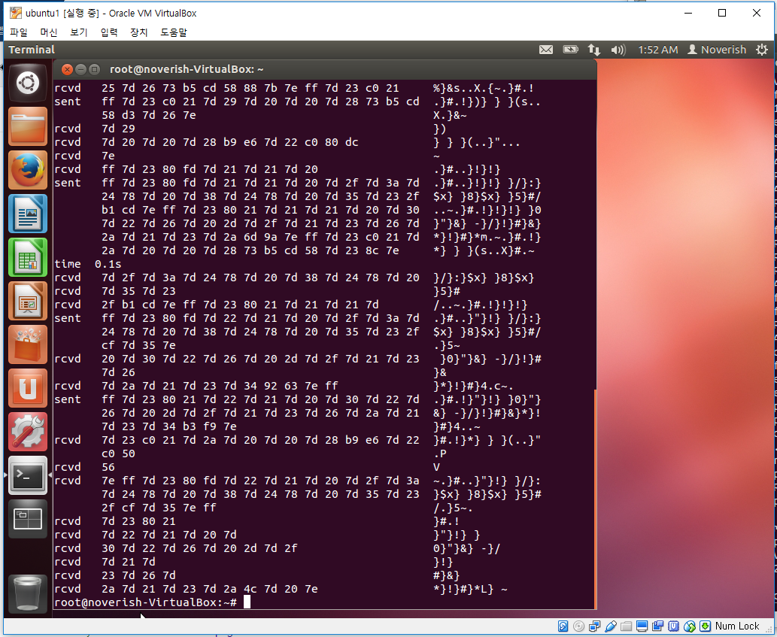
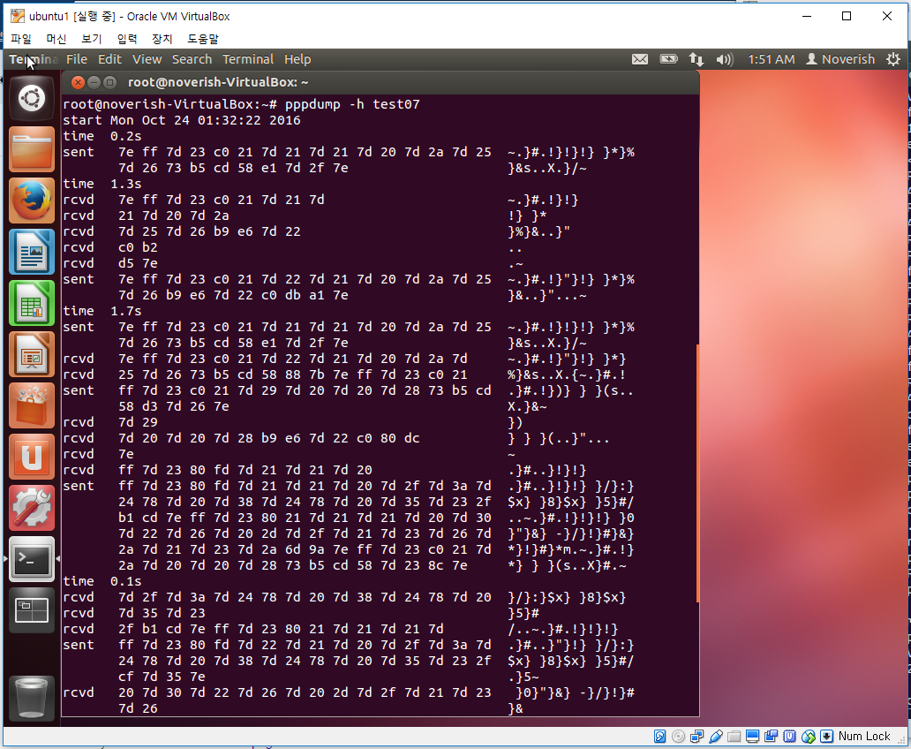
PPP Dump File Analysis (noaccomp...)
noccp, noaccomp, ping 별로 밑에 시트로 분류해 놓았습니다. (총 시트 3개)

sent | 7e | ff | 7d | 23 | c0 | 21 | 7d | 21 | 7d | 21 | 7d | 20 | 7d | 2a | 7d | 25 | 7d | 26 | 73 |  | b5 |  | cd |  | 58 |  | e1 |  | 7d | 2f | 7e
 | 7e | ff | 3 |  | c0 | 21 | 1 |  | 1 |  | 0 |  | a |  | 5 |  | 6 |  | 73 |  | b5 |  | cd |  | 58 |  | e1 |  | f |  | 7e
 | Flag | 주소 | Control |  | Protocol |  | LCP Packet |  |  |  |  |  |  |  |  |  |  |  |  |  |  |  |  |  |  |  | CRC |  |  |  | Flag
 |  |  |  |  |  |  | Code |  | ID |  | 길이 |  |  |  | LCP Options
 |  |  |  |  |  |  |  |  |  |  |  |  |  |  | Type |  | 길이 |  | Magic-Number
 |  |  |  |  | LCP |  | Configure-Request |  |  |  |  |  |  |  | Type : Magic Number

rcvd | 7e | ff | 7d | 23 | c0 | 21 | 7d | 21 | 7d | 21 | 7d | 20 | 7d | 2a | 7d | 25 | 7d | 26 | b9 |  | e6 |  | 7d | 22 | c0 |  | b2 |  | d5 |  | 7e
 | 7e | ff | 3 |  | c0 | 21 | 1 |  | 1 |  | 0 |  | a |  | 5 |  | 6 |  | b9 |  | e6 |  | 2 |  | c0 |  | b2 |  | d5 |  | 7e
 | Flag | 주소 | Control |  | Protocol |  | LCP Packet |  |  |  |  |  |  |  |  |  |  |  |  |  |  |  |  |  |  |  | CRC |  |  |  | Flag
 |  |  |  |  |  |  | Code |  | ID |  | 길이 |  |  |  | LCP Options
 |  |  |  |  |  |  |  |  |  |  |  |  |  |  | Type |  | 길이 |  | Magic-Number
 |  |  |  |  | LCP |  | Configure-Request |  |  |  |  |  |  |  | Type : Magic Number

sent | 7e | ff | 7d | 23 | c0 | 21 | 7d | 22 | 7d | 21 | 7d | 20 | 7d | 2a | 7d | 25 | 7d | 26 | b9 |  | e6 |  | 7d | 22 | c0 |  | db |  | a1 |  | 7e
 | 7e | ff | 3 |  | c0 | 21 | 2 |  | 1 |  | 0 |  | a |  | 5 |  | 6 |  | b9 |  | e6 |  | 2 |  | c0 |  | db |  | a1 |  | 7e
 | Flag | 주소 | Control |  | Protocol |  | LCP Packet |  |  |  |  |  |  |  |  |  |  |  |  |  |  |  |  |  |  |  | CRC |  |  |  | Flag
 |  |  |  |  |  |  | Code |  | ID |  | 길이 |  |  |  | LCP Options
 |  |  |  |  |  |  |  |  |  |  |  |  |  |  | Type |  | 길이 |  | Magic-Number
 |  |  |  |  | LCP |  | Configure-Ack |  |  |  |  |  |  |  | Type : Magic Number

sent | 7e | ff | 7d | 23 | c0 | 21 | 7d | 21 | 7d | 21 | 7d | 20 | 7d | 2a | 7d | 25 | 7d | 26 | 73 |  | b5 |  | cd |  | 58 |  | e1 |  | 7d | 2f | 7e
 | 7e | ff | 3 |  | c0 | 21 | 2 |  | 1 |  | 0 |  | a |  | 5 |  | 6 |  | 73 |  | b5 |  | cd |  | 58 |  | e1 |  | f |  | 7e
 | Flag | 주소 | Control |  | Protocol |  | LCP Packet |  |  |  |  |  |  |  |  |  |  |  |  |  |  |  |  |  |  |  | CRC |  |  |  | Flag
 |  |  |  |  |  |  | Code |  | ID |  | 길이 |  |  |  | LCP Options
 |  |  |  |  |  |  |  |  |  |  |  |  |  |  | Type |  | 길이 |  | Magic-Number
 |  |  |  |  | LCP |  | Configure-Ack |  |  |  |  |  |  |  | Type : Magic Number
 |  | ff | 7d | 23 | c0 | 21 | 7d | 29 | 7d | 20 | 7d | 20 | 7d | 28 | 73 |  | b5 |  | cd |  | 58 |  | d3 |  | 7d | 26 | 7e
 |  | ff | 3 |  | c0 | 21 | 9 |  | 0 |  | 0 |  | 8 |  | 73 |  | b5 |  | cd |  | 58 |  | d3 |  | 6 |  | e
 |  | 주소 | Control |  | Protocol |  | LCP Packet |  |  |  |  |  |  |  |  |  |  |  |  |  |  |  | CRC |  |  |  | Flag
 |  |  |  |  |  |  | Code |  | ID |  | 길이 |  |  |  | Magic-Number
 |  |  |  |  | LCP |  | Echo-Request
 |  | ff | 7d | 23 | 80 | fd | 7d | 21 | 7d | 21 | 7d | 20 | 7d | 2f | 7d | 3a | 7d | 24 | 78 |  | 7d | 20 | 7d | 38 | 7d | 24 | 78 |  | 7d | 20 | 7d | 35 | 7d | 23 | 2f |  | b1 |  | cd |  | 7e
 |  | ff | 3 |  | 80 | fd | 1 |  | 1 |  | 0 |  | f |  | 1a |  | 4 |  | 78 |  | 0 |  | 18 |  | 4 |  | 78 |  | 0 |  | 15 |  | 3 |  | 2f |  | b1 |  | cd |  | 7e
 |  | 주소 | Control |  | Protocol |  | CCP Packet |  |  |  |  |  |  |  |  |  |  |  |  |  |  |  |  |  |  |  |  |  |  |  |  |  |  |  |  |  | CRC |  |  |  | Flag
 |  |  |  |  |  |  | Code |  | ID |  | 길이 |  |  |  | CCP Options
 |  |  |  |  |  |  |  |  |  |  |  |  |  |  | Type |  | 길이 |  | Option Data |  |  |  | Type |  | 길이 |  | Option Data |  |  |  | Type |  | 길이 |  | Option D
 |  |  |  |  |  |  |  |  |  |  |  |  |  |  | Type : PPP Deflate Protocol |  |  |  |  |  |  |  | Type : MVRCA (PPP Magnalink Variable Resource Compression Algorithm) |  |  |  |  |  |  |  | Type : BSD LZW Compress
 |  |  |  |  |  |  |  |  |  |  |  |  |  |  | Window: 32768 |  |  |  |  |  |  |  | Features: 1 |  |  |  |  |  |  |  | Vers: 1
 |  |  |  |  |  |  |  |  |  |  |  |  |  |  | Method: zlib compression |  |  |  |  |  |  |  | Packet by Packet flag : Enabled |  |  |  |  |  |  |  | Dict: 15
 |  |  |  |  |  |  |  |  |  |  |  |  |  |  | MBZ: 0 |  |  |  |  |  |  |  | History: 24
 |  |  |  |  | CCP |  | Configure-Request |  |  |  |  |  |  |  | Chk: sequence number check method |  |  |  |  |  |  |  |  |  |  |  |  |  |  |  |  |  |  |  |  |  |  |  |  |  | `
 |  | ff | 7d | 23 | 80 | 21 | 7d | 21 | 7d | 21 | 7d | 20 | 7d | 30 | 7d | 22 | 7d | 26 | 7d | 20 | 2d |  | 7d | 2f | 7d | 21 | 7d | 23 | 7d | 26 | 7d | 2a | 7d | 21 | 7d | 23 | 7d | 2a | 6d |  | 9a |  | 7e
 |  | ff | 3 |  | 80 | 21 | 1 |  | 1 |  | 0 |  | 10 |  | 2 |  | 6 |  | 0 |  | 2d |  | f |  | 1 |  | 3 |  | 6 |  | a |  | 1 |  | 3 |  | a |  | 6d |  | 9a |  | 7e
 |  | 주소 | Control |  | Protocol |  | IPCP Packet |  |  |  |  |  |  |  |  |  |  |  |  |  |  |  |  |  |  |  |  |  |  |  |  |  |  |  |  |  |  |  | CRC |  |  |  | Flag
 |  |  |  |  |  |  | Code |  | ID |  | 길이 |  |  |  | IPCP Options
 |  |  |  |  |  |  |  |  |  |  |  |  |  |  | Type |  | 길이 |  | IP-Compression-Protocol |  |  |  | Max-Slot-Id |  | Comp-Slot-Id |  | Type |  | 길이 |  | IP-Address
 |  |  |  |  |  |  |  |  |  |  |  |  |  |  | Type : IP-Compression-Protocol |  |  |  |  |  |  |  |  |  |  |  | Type : IP-Address
 |  |  |  |  |  |  |  |  |  |  |  |  |  |  | IPCP : Van Jacobson Compressed TCP/IP
 |  |  |  |  |  |  |  |  |  |  |  |  |  |  | Max-Slot-Id : The number of slots is 16
 |  |  |  |  | IPCP |  | Configure-Request |  |  |  |  |  |  |  | Comp-Slot-Id : The slot identifer may be compressed
 |  | ff | 7d | 23 | c0 | 21 | 7d | 2a | 7d | 20 | 7d | 20 | 7d | 28 | 73 |  | b5 |  | cd |  | 58 |  | 7d | 23 | 8c |  | 7e
 |  | ff | 3 |  | c0 | 21 | a |  | 0 |  | 0 |  | 8 |  | 73 |  | b5 |  | cd |  | 58 |  | 3 |  | 8c |  | 7e
 |  | 주소 | Control |  | Protocol |  | LCP Packet |  |  |  |  |  |  |  |  |  |  |  |  |  |  |  | CRC |  |  |  | Flag
 |  |  |  |  |  |  | Code |  | ID |  | 길이 |  |  |  | Magic-Number
 |  |  |  |  | LCP |  | Echo-Reply
 |  | ff | 7d | 23 | 80 | fd | 7d | 22 | 7d | 21 | 7d | 20 | 7d | 2f | 7d | 3a | 7d | 24 | 78 |  | 7d | 20 | 7d | 38 | 7d | 24 | 78 |  | 7d | 20 | 7d | 35 | 7d | 23 | 2f |  | cf |  | 7d | 35 | 7e
 |  | ff | 3 |  | 80 | fd | 2 |  | 1 |  | 0 |  | f |  | 1a |  | 4 |  | 78 |  | 0 |  | 18 |  | 4 |  | 78 |  | 0 |  | 15 |  | 3 |  | 2f |  | cf |  | 15 |  | 7e
 |  | 주소 | Control |  | Protocol |  | CCP Packet |  |  |  |  |  |  |  |  |  |  |  |  |  |  |  |  |  |  |  |  |  |  |  |  |  |  |  |  |  | CRC |  |  |  | Flag
 |  |  |  |  |  |  | Code |  | ID |  | 길이 |  |  |  | CCP Options
 |  |  |  |  |  |  |  |  |  |  |  |  |  |  | Type |  | 길이 |  | Option Data |  |  |  | Type |  | 길이 |  | Option Data |  |  |  | Type |  | 길이 |  | Option D
 |  |  |  |  |  |  |  |  |  |  |  |  |  |  | Type : PPP Deflate Protocol |  |  |  |  |  |  |  | Type : MVRCA (PPP Magnalink Variable Resource Compression Algorithm) |  |  |  |  |  |  |  | Type : BSD LZW Compress
 |  |  |  |  |  |  |  |  |  |  |  |  |  |  | Window: 32768 |  |  |  |  |  |  |  | Features: 1 |  |  |  |  |  |  |  | Vers: 1
 |  |  |  |  |  |  |  |  |  |  |  |  |  |  | Method: zlib compression |  |  |  |  |  |  |  | Packet by Packet flag : Enabled |  |  |  |  |  |  |  | Dict: 15
 |  |  |  |  |  |  |  |  |  |  |  |  |  |  | MBZ: 0 |  |  |  |  |  |  |  | History: 24
 |  |  |  |  | CCP |  | Configure-Request |  |  |  |  |  |  |  | Chk: sequence number check method |  |  |  |  |  |  |  |  |  |  |  |  |  |  |  |  |  |  |  |  |  |  |  |  |  | `
 |  | ff | 7d | 23 | 80 | 21 | 7d | 22 | 7d | 21 | 7d | 20 | 7d | 30 | 7d | 22 | 7d | 26 | 7d | 20 | 2d |  | 7d | 2f | 7d | 21 | 7d | 23 | 7d | 26 | 7d | 2a | 7d | 21 | 7d | 23 | 7d | 34 | b3 |  | f9 |  | 7e
 |  | ff | 3 |  | 80 | 21 | 2 |  | 1 |  | 0 |  | 10 |  | 2 |  | 6 |  | 0 |  | 2d |  | f |  | 1 |  | 3 |  | 6 |  | a |  | 1 |  | 3 |  | 14 |  | b3 |  | f9 |  | 7e
 |  | 주소 | Control |  | Protocol |  | IPCP Packet |  |  |  |  |  |  |  |  |  |  |  |  |  |  |  |  |  |  |  |  |  |  |  |  |  |  |  |  |  |  |  | CRC |  |  |  | Flag
 |  |  |  |  |  |  | Code |  | ID |  | 길이 |  |  |  | IPCP Options
 |  |  |  |  |  |  |  |  |  |  |  |  |  |  | Type |  | 길이 |  | IP-Compression-Protocol |  |  |  | Max-Slot-Id |  | Comp-Slot-Id |  | Type |  | 길이 |  | IP-Address
 |  |  |  |  |  |  |  |  |  |  |  |  |  |  | Type : IP-Compression-Protocol |  |  |  |  |  |  |  |  |  |  |  | Type : IP-Address
 |  |  |  |  |  |  |  |  |  |  |  |  |  |  | IPCP : Van Jacobson Compressed TCP/IP
 |  |  |  |  |  |  |  |  |  |  |  |  |  |  | Max-Slot-Id : The number of slots is 16
 |  |  |  |  | IPCP |  | Configure-Ack |  |  |  |  |  |  |  | Comp-Slot-Id : The slot identifer may be compressed

rcvd | 7e | ff | 7d | 23 | c0 | 21 | 7d | 22 | 7d | 21 | 7d | 20 | 7d | 2a | 7d | 25 | 7d | 26 | 73 |  | b5 |  | cd |  | 58 |  | 88 |  | 7b |  | 7e
 | 7e | ff | 3 |  | c0 | 21 | 2 |  | 1 |  | 0 |  | a |  | 5 |  | 6 |  | 73 |  | b5 |  | cd |  | 58 |  | 88 |  | 7b |  | 7e
 | Flag | 주소 | Control |  | Protocol |  | LCP Packet |  |  |  |  |  |  |  |  |  |  |  |  |  |  |  |  |  |  |  | CRC |  |  |  | Flag
 |  |  |  |  |  |  | Code |  | ID |  | 길이 |  |  |  | LCP Options
 |  |  |  |  |  |  |  |  |  |  |  |  |  |  | Type |  | 길이 |  | Option Data
 |  |  |  |  |  |  |  |  |  |  |  |  |  |  | Type : Magic Number
 |  |  |  |  | LCP |  | Configure-Ack |  |  |  |  |  |  |  | Data : Random Numbers
 |  | ff | 7d | 23 | c0 | 21 | 7d | 29 | 7d | 20 | 7d | 20 | 7d | 28 | b9 |  | e6 |  | 7d | 22 | c0 |  | 80 |  | dc |  | 7e
 |  | ff | 3 |  | c0 | 21 | 9 |  | 0 |  | 0 |  | 8 |  | b9 |  | e6 |  | 2 |  | c0 |  | 80 |  | dc |  | 7e
 |  | 주소 | Control |  | Protocol |  | LCP Packet |  |  |  |  |  |  |  |  |  |  |  |  |  |  |  | CRC |  |  |  | Flag
 |  |  |  |  |  |  | Code |  | ID |  | 길이 |  |  |  | Magic-Number
 |  |  |  |  | LCP |  | Echo-Request
 |  | ff | 7d | 23 | 80 | fd | 7d | 21 | 7d | 21 | 7d | 20 | 7d | 2f | 7d | 3a | 7d | 24 | 78 |  | 7d | 20 | 7d | 38 | 7d | 24 | 78 |  | 7d | 20 | 7d | 35 | 7d | 23 | 2f |  | b1 |  | cd |  | 7e
 |  | ff | 3 |  | 80 | fd | 1 |  | 1 |  | 0 |  | f |  | 1a |  | 4 |  | 78 |  | 0 |  | 18 |  | 4 |  | 78 |  | 0 |  | 15 |  | 3 |  | 2f |  | b1 |  | cd |  | 7e
 |  | 주소 | Control |  | Protocol |  | CCP Packet |  |  |  |  |  |  |  |  |  |  |  |  |  |  |  |  |  |  |  |  |  |  |  |  |  |  |  |  |  | CRC |  |  |  | Flag
 |  |  |  |  |  |  | Code |  | ID |  | 길이 |  |  |  | CCP Options
 |  |  |  |  |  |  |  |  |  |  |  |  |  |  | Type |  | 길이 |  | Option Data |  |  |  | Type |  | 길이 |  | Option Data |  |  |  | Type |  | 길이 |  | Option D
 |  |  |  |  |  |  |  |  |  |  |  |  |  |  | Type : PPP Deflate Protocol |  |  |  |  |  |  |  | Type : MVRCA (PPP Magnalink Variable Resource Compression Algorithm) |  |  |  |  |  |  |  | Type : BSD LZW Compress
 |  |  |  |  |  |  |  |  |  |  |  |  |  |  | Window: 32768 |  |  |  |  |  |  |  | Features: 1 |  |  |  |  |  |  |  | Vers: 1
 |  |  |  |  |  |  |  |  |  |  |  |  |  |  | Method: zlib compression |  |  |  |  |  |  |  | Packet by Packet flag : Enabled |  |  |  |  |  |  |  | Dict: 15
 |  |  |  |  |  |  |  |  |  |  |  |  |  |  | MBZ: 0 |  |  |  |  |  |  |  | History: 24
 |  |  |  |  | CCP |  | Configure-Request |  |  |  |  |  |  |  | Chk: sequence number check method |  |  |  |  |  |  |  |  |  |  |  |  |  |  |  |  |  |  |  |  |  |  |  |  |  | `
 |  | ff | 7d | 23 | 80 | 21 | 7d | 21 | 7d | 21 | 7d | 20 | 7d | 30 | 7d | 22 | 7d | 26 | 7d | 20 | 2d |  | 7d | 2f | 7d | 21 | 7d | 23 | 7d | 26 | 7d | 2a | 7d | 21 | 7d | 23 | 7d | 34 | 92 |  | 63 |  | 7e
 |  | ff | 3 |  | 80 | 21 | 1 |  | 1 |  | 0 |  | 10 |  | 2 |  | 6 |  | 0 |  | 2d |  | f |  | 1 |  | 3 |  | 6 |  | a |  | 1 |  | 3 |  | 14 |  | 92 |  | 63 |  | 7e
 |  | 주소 | Control |  | Protocol |  | IPCP Packet |  |  |  |  |  |  |  |  |  |  |  |  |  |  |  |  |  |  |  |  |  |  |  |  |  |  |  |  |  |  |  | CRC |  |  |  | Flag
 |  |  |  |  |  |  | Code |  | ID |  | 길이 |  |  |  | IPCP Options
 |  |  |  |  |  |  |  |  |  |  |  |  |  |  | Type |  | 길이 |  | IP-Compression-Protocol |  |  |  | Max-Slot-Id |  | Comp-Slot-Id |  | Type |  | 길이 |  | IP-Address
 |  |  |  |  |  |  |  |  |  |  |  |  |  |  | Type : IP-Compression-Protocol |  |  |  |  |  |  |  |  |  |  |  | Type : IP-Address
 |  |  |  |  |  |  |  |  |  |  |  |  |  |  | IPCP : Van Jacobson Compressed TCP/IP
 |  |  |  |  |  |  |  |  |  |  |  |  |  |  | Max-Slot-Id : The number of slots is 16
 |  |  |  |  | IPCP |  | Configure-Request |  |  |  |  |  |  |  | Comp-Slot-Id : The slot identifer may be compressed
 |  | ff | 7d | 23 | c0 | 21 | 7d | 2a | 7d | 20 | 7d | 20 | 7d | 28 | b9 |  | e6 |  | 7d | 22 | c0 |  | 50 |  | 56 |  | 7e
 |  | ff | 3 |  | c0 | 21 | a |  | 0 |  | 0 |  | 8 |  | b9 |  | e6 |  | 2 |  | 0 |  | 50 |  | 56 |  | 7e
 |  | 주소 | Control |  | Protocol |  | LCP Packet |  |  |  |  |  |  |  |  |  |  |  |  |  |  |  | CRC |  |  |  | Flag
 |  |  |  |  |  |  | Code |  | ID |  | 길이 |  |  |  | Magic-Number
 |  |  |  |  | LCP |  | Echo-Reply
 |  | ff | 7d | 23 | 80 | fd | 7d | 22 | 7d | 21 | 7d | 20 | 7d | 2f | 7d | 3a | 7d | 24 | 78 |  | 7d | 20 | 7d | 38 | 7d | 24 | 78 |  | 7d | 20 | 7d | 35 | 7d | 23 | 2f |  | cf |  | 7d | 35 | 7e
 |  | ff | 3 |  | 80 | fd | 2 |  | 1 |  | 0 |  | f |  | 1a |  | 4 |  | 78 |  | 0 |  | 18 |  | 4 |  | 78 |  | 0 |  | 15 |  | 3 |  | 2f |  | cf |  | 5 |  | 7e
 |  | 주소 | Control |  | Protocol |  | CCP Packet |  |  |  |  |  |  |  |  |  |  |  |  |  |  |  |  |  |  |  |  |  |  |  |  |  |  |  |  |  | CRC |  |  |  | Flag
 |  |  |  |  |  |  | Code |  | ID |  | 길이 |  |  |  | CCP Options
 |  |  |  |  |  |  |  |  |  |  |  |  |  |  | Type |  | 길이 |  | Option Data |  |  |  | Type |  | 길이 |  | Option Data |  |  |  | Type |  | 길이 |  | Option D
 |  |  |  |  |  |  |  |  |  |  |  |  |  |  | Type : PPP Deflate Protocol |  |  |  |  |  |  |  | Type : MVRCA (PPP Magnalink Variable Resource Compression Algorithm) |  |  |  |  |  |  |  | Type : BSD LZW Compress
 |  |  |  |  |  |  |  |  |  |  |  |  |  |  | Window: 32768 |  |  |  |  |  |  |  | Features: 1 |  |  |  |  |  |  |  | Vers: 1
 |  |  |  |  |  |  |  |  |  |  |  |  |  |  | Method: zlib compression |  |  |  |  |  |  |  | Packet by Packet flag : Enabled |  |  |  |  |  |  |  | Dict: 15
 |  |  |  |  |  |  |  |  |  |  |  |  |  |  | MBZ: 0 |  |  |  |  |  |  |  | History: 24
 |  |  |  |  | CCP |  | Configure-Request |  |  |  |  |  |  |  | Chk: sequence number check method |  |  |  |  |  |  |  |  |  |  |  |  |  |  |  |  |  |  |  |  |  |  |  |  |  | `
 |  | ff | 7d | 23 | 80 | 21 | 7d | 22 | 7d | 21 | 7d | 20 | 7d | 30 | 7d | 22 | 7d | 26 | 7d | 20 | 2d |  | 7d | 2f | 7d | 21 | 7d | 23 | 7d | 26 | 7d | 2a | 7d | 21 | 7d | 23 | 7d | 2a | 4c |  | 7d | 20 | 7e
 |  | ff | 3 |  | 80 | 21 | 2 |  | 1 |  | 0 |  | 10 |  | 2 |  | 6 |  | 0 |  | 2d |  | f |  | 1 |  | 3 |  | 6 |  | a |  | 1 |  | 3 |  | a |  | 4c |  | 0 |  | 7e
 |  | 주소 | Control |  | Protocol |  | IPCP Packet |  |  |  |  |  |  |  |  |  |  |  |  |  |  |  |  |  |  |  |  |  |  |  |  |  |  |  |  |  |  |  | CRC |  |  |  | Flag
 |  |  |  |  |  |  | Code |  | ID |  | 길이 |  |  |  | IPCP Options
 |  |  |  |  |  |  |  |  |  |  |  |  |  |  | Type |  | 길이 |  | IP-Compression-Protocol |  |  |  | Max-Slot-Id |  | Comp-Slot-Id |  | Type |  | 길이 |  | IP-Address
 |  |  |  |  |  |  |  |  |  |  |  |  |  |  | Type : IP-Compression-Protocol |  |  |  |  |  |  |  |  |  |  |  | Type : IP-Address
 |  |  |  |  |  |  |  |  |  |  |  |  |  |  | IPCP : Van Jacobson Compressed TCP/IP
 |  |  |  |  |  |  |  |  |  |  |  |  |  |  | Max-Slot-Id : The number of slots is 16
 |  |  |  |  | IPCP |  | Configure-Ack |  |  |  |  |  |  |  | Comp-Slot-Id : The slot identifer may be compressed

ping
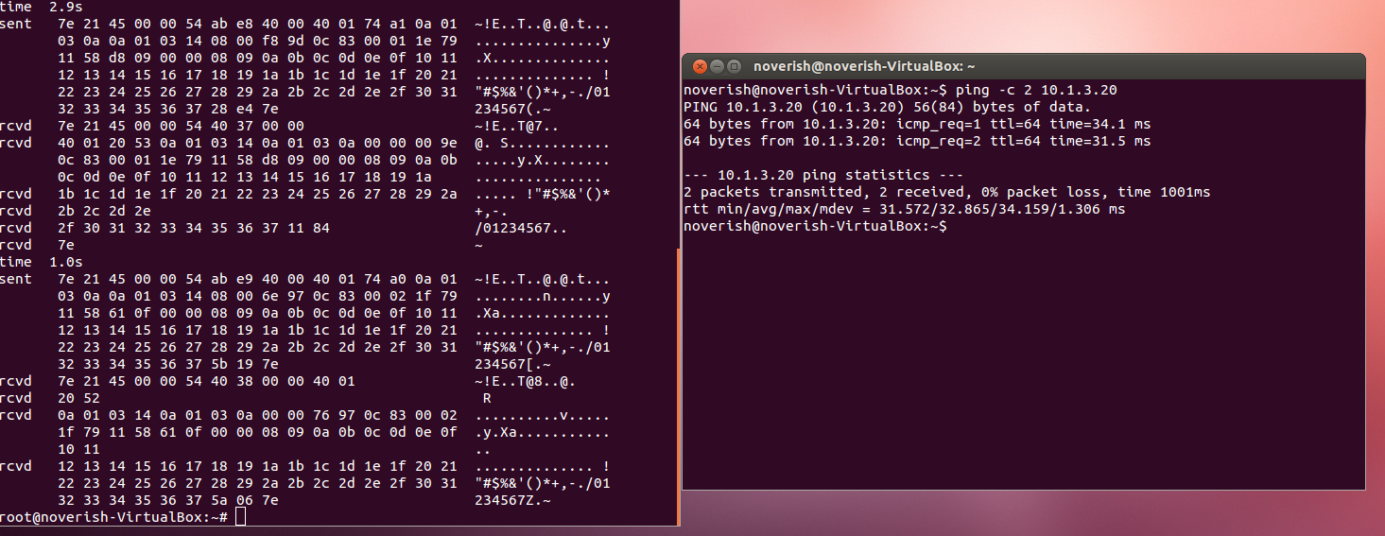
PPP Dump File Analysis (ping)
noccp, noaccomp, ping 별로 밑에 시트로 분류해 놓았습니다. (총 시트 3개)

 |  |  | IHL : Internet Header Length
 |  |  | DSCP : Differentiated Services Code Point
 |  |  | ECN : Explicit Congestion Notification

sent | 7e | 21 | 45 |  | 00 |  | 00 | 54 | ab | e8 | 40 | 00 | 40 | 01 | 74 | a1 | 0a | 01 | 03 | 0a | 0a | 01 | 03 | 14 | 08 | 00 | f8 | 9d | 0c | 83 | 00 | 01 | 1e | 79 | 11 | 58 | d8 | 09 | 00 | 00
 | Flag | Protocol | IP Packet
 |  |  | Version | IHL | DSCP | ECN | Length |  | ID |  | Flags | Fragment Offset | Time to Live | Protocol | Header Checksum |  | Source IP Address |  |  |  | Destination IP Address |  |  |  | IP Data
 |  |  |  |  |  |  |  |  |  |  |  |  |  |  |  |  |  |  |  |  |  |  |  |  | type | code | checksum |  | ID |  | Sequence Number |  | Timestamp from ICMP data
 |  | IPv4 | 4 | 20 | Default | Not ECN-Capable Transport |  |  |  |  | Don't Fragment |  |  | ICMP |  |  |  |  |  |  |  |  |  |  | type : echo (ping) request
 | 08 09 0a 0b 0c 0d 0e 0f 10 11 12 13 14 15 16 17 18 19 1a 1b 1c 1d 1e 1f 20 21 22 23 24 25 26 27 28 29 2a 2b 2c 2d 2e 2f 30 31 32 33 34 35 36 37 |  |  |  |  |  |  |  |  |  |  |  |  |  |  |  |  |  |  |  |  | 28 | e4 | 7e
 | IP Packet |  |  |  |  |  |  |  |  |  |  |  |  |  |  |  |  |  |  |  |  | CRC |  | Flag
 | IP Data
 | Data

rcvd | 7e | 21 | 45 |  | 00 |  | 00 | 54 | 40 | 37 | 00 | 00 | 40 | 01 | 20 | 53 | 0a | 01 | 03 | 14 | 0a | 01 | 03 | 0a | 00 | 00 | 00 | 9e | 0c | 83 | 00 | 01 | 1e | 79 | 11 | 58 | d8 | 09 | 00 | 00
 | Flag | Protocol | IP Packet
 |  |  | Version | IHL | DSCP | ECN | Length |  | ID |  | Flags | Fragment Offset | Time to Live | Protocol | Header Checksum |  | Source IP Address |  |  |  | Destination IP Address |  |  |  | IP Data
 |  |  |  |  |  |  |  |  |  |  |  |  |  |  |  |  |  |  |  |  |  |  |  |  | type | code | checksum |  | ID |  | Sequence Number |  | Timestamp from ICMP data
 |  | IPv4 | 4 | 20 | Default | Not ECN-Capable Transport |  |  |  |  | Nothing to Set |  |  | ICMP |  |  |  |  |  |  |  |  |  |  | type : echo (ping) reply
 | 08 09 0a 0b 0c 0d 0e 0f 10 11 12 13 14 15 16 17 18 19 1a 1b 1c 1d 1e 1f 20 21 22 23 24 25 26 27 28 29 2a 2b 2c 2d 2e 2f 30 31 32 33 34 35 36 37 |  |  |  |  |  |  |  |  |  |  |  |  |  |  |  |  |  |  |  |  | 11 | 84 | 7e
 | IP Packet |  |  |  |  |  |  |  |  |  |  |  |  |  |  |  |  |  |  |  |  | CRC |  | Flag
 | IP Data
 | Data

sent | 7e | 21 | 45 |  | 00 |  | 00 | 54 | ab | e9 | 40 | 00 | 40 | 01 | 74 | a0 | 0a | 01 | 03 | 0a | 0a | 01 | 03 | 14 | 08 | 00 | 6e | 97 | 0c | 83 | 00 | 02 | 1f | 79 | 11 | 58 | 61 | 0f | 00 | 00
 | Flag | Protocol | IP Packet
 |  |  | Version | IHL | DSCP | ECN | Length |  | ID |  | Flags | Fragment Offset | Time to Live | Protocol | Header Checksum |  | Source IP Address |  |  |  | Destination IP Address |  |  |  | IP Data
 |  |  |  |  |  |  |  |  |  |  |  |  |  |  |  |  |  |  |  |  |  |  |  |  | type | code | checksum |  | ID |  | Sequence Number |  | Timestamp from ICMP data
 |  | IPv4 | 4 | 20 | Default | Not ECN-Capable Transport |  |  |  |  | Don't Fragment |  |  | ICMP |  |  |  |  |  |  |  |  |  |  | type : echo (ping) request
 | 08 09 0a 0b 0c 0d 0e 0f 10 11 12 13 14 15 16 17 18 19 1a 1b 1c 1d 1e 1f 20 21 22 23 24 25 26 27 28 29 2a 2b 2c 2d 2e 2f 30 31 32 33 34 35 36 37 |  |  |  |  |  |  |  |  |  |  |  |  |  |  |  |  |  |  |  |  | 5b | 19 | 7e
 | IP Packet |  |  |  |  |  |  |  |  |  |  |  |  |  |  |  |  |  |  |  |  | CRC |  | Flag
 | IP Data
 | Data

rcvd | 7e | 21 | 45 |  | 00 |  | 00 | 54 | 40 | 38 | 00 | 00 | 40 | 01 | 20 | 52 | 0a | 01 | 03 | 14 | 0a | 01 | 03 | 0a | 00 | 00 | 76 | 97 | 0c | 83 | 00 | 02 | 1f | 79 | 11 | 58 | 61 | 0f | 00 | 00
 | Flag | Protocol | IP Packet
 |  |  | Version | IHL | DSCP | ECN | Length |  | ID |  | Flags | Fragment Offset | Time to Live | Protocol | Header Checksum |  | Source IP Address |  |  |  | Destination IP Address |  |  |  | IP Data
 |  |  |  |  |  |  |  |  |  |  |  |  |  |  |  |  |  |  |  |  |  |  |  |  | type | code | checksum |  | ID |  | Sequence Number |  | Timestamp from ICMP data
 |  | IPv4 | 4 | 20 | Default | Not ECN-Capable Transport |  |  |  |  | Nothing to Set |  |  | ICMP |  |  |  |  |  |  |  |  |  |  | type : echo (ping) reply
 | 08 09 0a 0b 0c 0d 0e 0f 10 11 12 13 14 15 16 17 18 19 1a 1b 1c 1d 1e 1f 20 21 22 23 24 25 26 27 28 29 2a 2b 2c 2d 2e 2f 30 31 32 33 34 35 36 37 |  |  |  |  |  |  |  |  |  |  |  |  |  |  |  |  |  |  |  |  | 5a | 06 | 7e
 | IP Packet |  |  |  |  |  |  |  |  |  |  |  |  |  |  |  |  |  |  |  |  | CRC |  | Flag
 | IP Data
 | Data

